Problem_User
TestCase_ID | TC Title | TC data | Environment | Preconditions | Expected Result | Test Case Objective | Acctual Result | Status (Pass/Fail) | Page | ScreenShots | Assigne | Column 3 | Column 4 | Column 5 | Column 6 | Column 7 | Column 8 | Column 9 | Column 10 | Column 11 | Column 12 | Column 13 | Column 14 | Column 15 | Column 16 | Column 17 | Column 18
TC001 | Open the browser and navigate to the product page. | "user name :- standard_user password :- secret_sauce" | "Environment :- Production Browser :- google chrome URL :- https://www.saucedemo.com/" | 1. Open the browser 2. Enter the website URL in the address bar. 3. Press Enter and wait for the homepage to load. 4. Click on the "Products" or "Shop" section in the navigation menu. 5. Verify that the product page is displayed. | All product images should load correctly without errors, displaying the correct image for each product. | Verify product images load correctly | All product images don't load correctly same image for all products | Faill | Product | 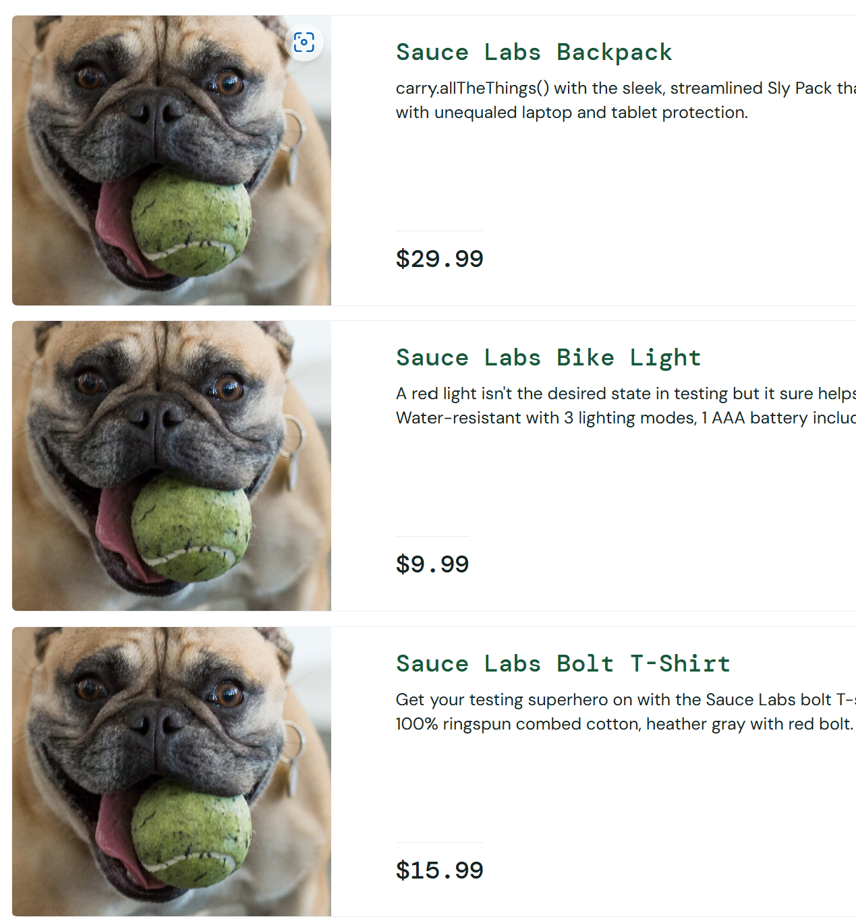 | abdelrahmanelfiqy@gmail.com
TC002 | Ensure the user has reached the product page. | "user name :- standard_user password :- secret_sauce" | "Environment :- Production Browser :- google chrome URL :- https://www.saucedemo.com/" | 1. Verify that the correct product page URL is displayed in the browser. 2. Check the page title to ensure it matches the expected product. 3. Confirm that the product details (image, description, price) are visible. | Product names should match the respective product and be readable, displayed clearly below each product image. | Verify product names are displayed correctly | Product names don't match the respective product and be readable. | Faill | Product | 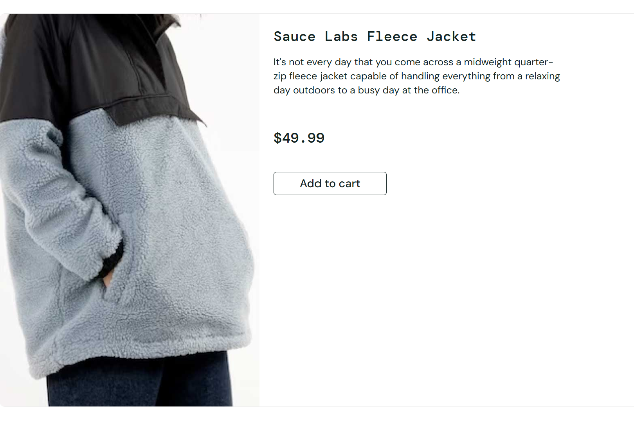 | abdelrahmanelfiqy@gmail.com
TC003 | The product page is displayed before proceeding. | "user name :- standard_user password :- secret_sauce" | "Environment :- Production Browser :- google chrome URL :- https://www.saucedemo.com/" | 1. Ensure that the product page elements load properly. 2. Check for any missing images, text, or buttons. 3. Ensure that there are no loading errors or broken elements. | Prices should be correctly displayed with a valid currency format (e.g., USD) and match the expected price for each product. | Verify product prices are displayed correctly | there is a different price after click on the product | Faill | Product | 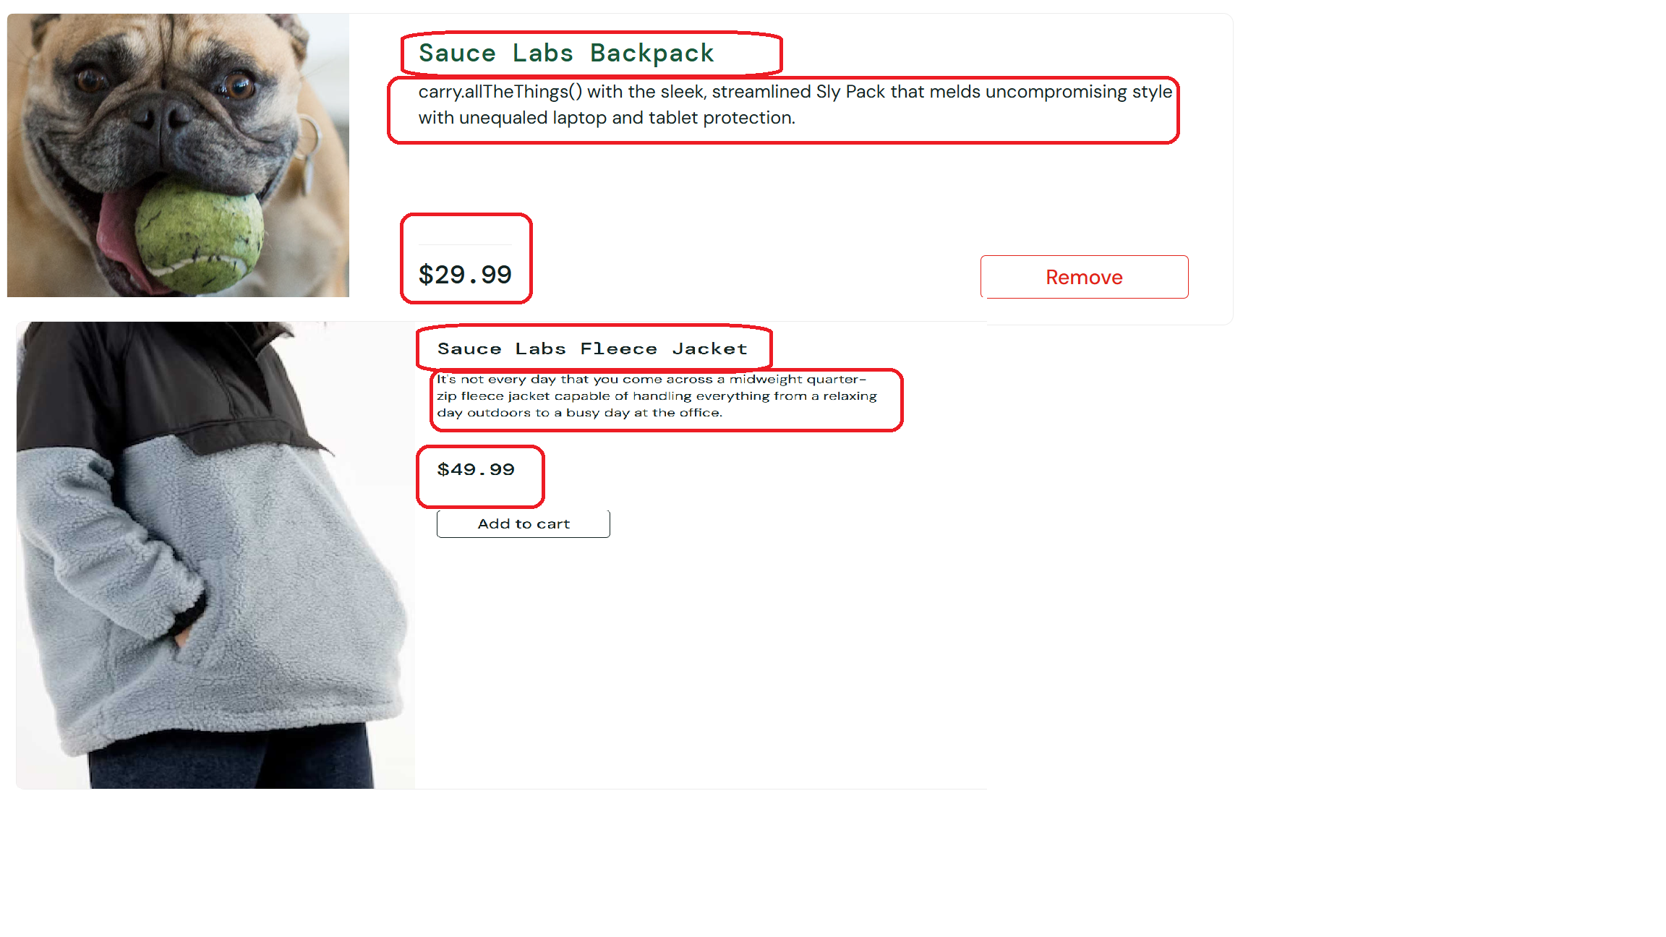 | abdelrahmanelfiqy@gmail.com
TC004 | The test scenario starts from the product page. | "user name :- standard_user password :- secret_sauce" | "Environment :- Production Browser :- google chrome URL :- https://www.saucedemo.com/" | 1. Ensure the user is on the correct product page before starting further actions. 2. Verify the elements needed for testing are loaded properly. 3. Confirm there are no unexpected pop-ups or redirects. | The product should be added to the cart, and the cart count should update to reflect the addition. | Verify the "Add to Cart" button is functional | not all products can add it to the cart | Faill | Product |  | abdelrahmanelfiqy@gmail.com
TC005 | Confirm that the product page is accessible. | "user name :- standard_user password :- secret_sauce" | "Environment :- Production Browser :- google chrome URL :- https://www.saucedemo.com/" | 1. Check if the product page loads correctly without errors. 2. Test with different internet speeds to ensure accessibility. 3. Ensure the page is accessible for users with disabilities | Products should be displayed in ascending alphabetical order by name. | Verify sorting functionality works (Name A-Z) | sorting functionality isn't working | Faill | Product |  | abdelrahmanelfiqy@gmail.com
TC006 | The user remains on the product page. | "user name :- standard_user password :- secret_sauce" | "Environment :- Production Browser :- google chrome URL :- https://www.saucedemo.com/" | 1. Verify that navigating away and pressing 'Back' returns to the same product page. 2. Ensure the page does not refresh or redirect unexpectedly. 3. Confirm that all elements remain functional after staying on the page for some time. | Product descriptions should accurately describe each product and be displayed clearly under the product name and price. | Verify product descriptions are displayed correctly | Product description don't match the respective product | Faill | Product |  | abdelrahmanelfiqy@gmail.com
TC007 | Ensure the cart contains at least one product. | "user name :- standard_user password :- secret_sauce" | "Environment :- Production Browser :- google chrome URL :- https://www.saucedemo.com/" | 1. Add a product to the cart using the 'Add to Cart' button. 2. Navigate to the cart page and confirm the product is listed. 3. Check the product name, price, and quantity in the cart. | The cart icon should reflect the correct number of products added to the cart. | Verify the cart icon updates correctly | Cart icon should reflect the number of products added. | Pass | Product |  | abdelrahmanelfiqy@gmail.com
TC008 | The product page should be visible. | "user name :- standard_user password :- secret_sauce" | "Environment :- Production Browser :- google chrome URL :- https://www.saucedemo.com/" | 1. Ensure all elements of the product page are displayed properly. 2. Check for overlapping elements or missing content. 3. Confirm that the product image, name, and price are clearly visible. | Clicking on a product (if clickable) should open the correct product details page without broken links or incorrect pages. | Verify no broken links for product details (if clickable) | No broken links or incorrect pages should appear. | Pass | Product |  | abdelrahmanelfiqy@gmail.com
TC009 | The test must be performed on a mobile device. | "user name :- standard_user password :- secret_sauce" | "Environment :- Production Browser :- google chrome URL :- https://www.saucedemo.com/" | 1. Open the product page on a mobile browser 2. Check the page layout and responsiveness. 3. Ensure all interactive elements (buttons, dropdowns) work properly on mobile. | The product page should adapt to smaller screens (e.g., mobile devices) without design issues, maintaining proper alignment and usability. | Verify responsiveness of the product page | The page should adapt to smaller screens without design issues. | Pass | Product |  | abdelrahmanelfiqy@gmail.com
TC010 | The cart must contain previously added products. | "user name :- standard_user password :- secret_sauce" | "Environment :- Production Browser :- google chrome URL :- https://www.saucedemo.com/" | 1. Add a product to the cart and refresh the page. 2. Close and reopen the browser, then navigate to the cart page. 3. Verify that previously added products are still in the cart. | The cart count should return to zero after all items are removed from the cart. | Verify the cart count resets after removing all items | Cart count should return to zero after all items are removed. | Pass | Product |  | abdelrahmanelfiqy@gmail.com
TC011 | Ensure the user is currently on the product page. | "user name :- standard_user password :- secret_sauce" | "Environment :- Production Browser :- google chrome URL :- https://www.saucedemo.com/" | 1. Open the web browser. 2. Enter the website URL in the address bar. 3. Navigate to the product page and verify the content. | The page title "Swag Labs" and the header should be correctly displayed and readable at the top of the product page. | Verify the page title and header display correctly | Page title and header should be correctly displayed and readable. | Pass | Product |  | abdelrahmanelfiqy@gmail.com
TC012 | The scenario continues from the product page. | "user name :- standard_user password :- secret_sauce" | "Environment :- Production Browser :- google chrome URL :- https://www.saucedemo.com/" | 1. Ensure the user remains on the product page. 2. Check that no redirections occur automatically. | Products should be displayed in ascending order of price. | Verify page sorting functionality (Price: Low to High) | sorting functionality isn't working | Faill | Product |  | abdelrahmanelfiqy@gmail.com
TC013 | The user starts from the product page again. | "user name :- standard_user password :- secret_sauce" | "Environment :- Production Browser :- google chrome URL :- https://www.saucedemo.com/" | 1. Refresh the browser. 2. Ensure the product page reloads correctly. | Products should be sorted alphabetically by name (A to Z) by default when the product page loads. | Verify the default sorting is "Name (A to Z)" | sorting functionality isn't working | Faill | Product |  | abdelrahmanelfiqy@gmail.com
TC014 | The product page is displayed. | "user name :- standard_user password :- secret_sauce" | "Environment :- Production Browser :- google chrome URL :- https://www.saucedemo.com/" | 1. Verify that the page loads without errors. 2. Ensure all necessary elements are visible (product image, description, price) | All selected products should be added to the cart without any issues, with accurate details reflected in the cart. | Verify that the website handles adding multiple products to cart | specific products can add to the cart | Faill | Product |  | abdelrahmanelfiqy@gmail.com
TC015 | Ensure at least one item is in the cart. | "user name :- standard_user password :- secret_sauce" | "Environment :- Production Browser :- google chrome URL :- https://www.saucedemo.com/" | 1. Click on a product. 2. Select the quantity 3. Click the 'Add to Cart' button. | The cart should display accurate details (name, quantity, and price) for all added products. | Verify cart items are displayed correctly | Cart should display accurate details for all added products. | Pass | Cart |  | abdelrahmanelfiqy@gmail.com
TC016 | Confirm there is at least one item available for checkout. | "user name :- standard_user password :- secret_sauce" | "Environment :- Production Browser :- google chrome URL :- https://www.saucedemo.com/" | 1. Open the cart page. 2. Verify that the product is listed. 3. Check that the checkout button is enabled. | The selected item should be removed from the cart, and the cart count should update accordingly. | Verify the "Remove" button functionality | Selected item should be removed from the cart, and the cart count should update. | Pass | Cart |  | abdelrahmanelfiqy@gmail.com
TC017 | Navigate to the cart page. | "user name :- standard_user password :- secret_sauce" | "Environment :- Production Browser :- google chrome URL :- https://www.saucedemo.com/" | 1. Click on the 'Cart' icon or menu link. 2. Ensure the cart page loads correctly. | The user should be redirected back to the product listing page when clicking the "Continue Shopping" button. | Verify "Continue Shopping" button navigates back to the product page | User should be redirected back to the product listing page. | Pass | Cart |  | abdelrahmanelfiqy@gmail.com
TC018 | Ensure the cart contains selected products. | "user name :- standard_user password :- secret_sauce" | "Environment :- Production Browser :- google chrome URL :- https://www.saucedemo.com/" | 1. Check that the products added earlier appear in the cart. 2. Verify that the correct quantity and price are displayed. | The user should be redirected to the checkout page when clicking the "Checkout" button. | Verify "Checkout" button redirects to the checkout page | User should be redirected to the checkout page. | Pass | Cart |  | abdelrahmanelfiqy@gmail.com
TC019 | The cart must contain more than one item for testing. | "user name :- standard_user password :- secret_sauce" | "Environment :- Production Browser :- google chrome URL :- https://www.saucedemo.com/" | 1. Add at least one more product to the cart. 2. Verify that multiple items are listed. | The cart icon should update to reflect the new total number of items in the cart after an item is removed. | Verify the cart icon updates correctly when items are removed | Cart icon should update to reflect the new total number of items in the cart. | Pass | Cart |  | abdelrahmanelfiqy@gmail.com
TC020 | Items should be added before proceeding. | "user name :- standard_user password :- secret_sauce" | "Environment :- Production Browser :- google chrome URL :- https://www.saucedemo.com/" | 1. Open the website and navigate to the product listing page. 2. Select a product and open its detailed view. 3. Click on the "Add to Cart" button. 4. Verify that a confirmation message appears stating that the item has been added. 5. Navigate to the cart page. 6. Ensure that the added product is displayed in the cart with the correct details (name, price, quantity). 7. Proceed to checkout and confirm that at least one product is in the cart. | Product descriptions in the cart should match the respective products accurately and be displayed clearly. | Verify product descriptions are displayed correctly | Product descriptions don;t match the respective products accurately. | Faill | Cart |  | abdelrahmanelfiqy@gmail.com
TC021 | Ensure multiple products are present in the cart. | "user name :- standard_user password :- secret_sauce" | "Environment :- Production Browser :- google chrome URL :- https://www.saucedemo.com/" | 1. Open the website and navigate to the product listing page. 2. Select the first product and open its detailed view. 3. Click on the "Add to Cart" button. 4. Repeat steps 2 and 3 for a second product . 5. Navigate to the cart page. 6. Ensure that all added products are displayed in the cart with their correct details name, price, quantity). 7. Verify that the total price reflects the sum of all added products. 8. Proceed to checkout and confirm that multiple items are listed in the cart summary.. | The correct quantity should be displayed next to each product in the cart. | Verify quantity displays correctly for each product | Correct quantity should be displayed next to each product. | Pass | Cart |  | abdelrahmanelfiqy@gmail.com
TC022 | The user must be logged in, with products in the cart. | "user name :- standard_user password :- secret_sauce" | "Environment :- Production Browser :- google chrome URL :- https://www.saucedemo.com/" | 1. Open the website and navigate to the login page. 2. Enter valid user credentials (email/username and password). 3. Click on the "Login" button and verify successful login. 4. Navigate to the cart page. 5. Verify that previously added products are still present in the cart. 6. If products are missing, check session persistence or authentication issues | The cart page should load without any errors or broken elements. | Verify cart page loads without errors | Cart page should load without any errors or broken elements. | Pass | Cart |  | abdelrahmanelfiqy@gmail.com
TC023 | Ensure the user has products in their cart. | "user name :- standard_user password :- secret_sauce" | "Environment :- Production Browser :- google chrome URL :- https://www.saucedemo.com/" | 1. Open the website and log in to the user account (if required). 2. Navigate to the cart page. 3. Check if the cart contains at least one product. 4. If the cart is empty, go to the product listing page and add at least one product. 5. Return to the cart page and verify that the product is now present. 6. Proceed to checkout and confirm that the cart is not empty. | The cart page should display a message or an empty state indicating the cart is empty after all items are removed. | Verify the cart is empty after removing all items | Cart page should display a message or an empty state indicating the cart is empty. | Pass | Cart |  | abdelrahmanelfiqy@gmail.com
TC024 | The scenario must be executed on a mobile device. | "user name :- standard_user password :- secret_sauce" | "Environment :- Production Browser :- google chrome URL :- https://www.saucedemo.com/" | 1. Open the website on a mobile device or use a responsive testing tool 2. Verify that the layout adapts correctly to the mobile screen size. 3. Navigate through different pages (Home, Product Listing, Product Details, Cart, Checkout) and check for UI responsiveness. 4. Add a product to the cart and proceed to checkout, ensuring all elements are accessible and functional. 5. Test interactions such as scrolling, touch gestures, and button clicks to confirm smooth functionality. | The cart page should adapt to smaller screens (e.g., mobile devices) without alignment issues or usability problems. | Verify responsiveness of the cart page | Page should adapt to fit smaller screens without alignment issues or usability problems. | Pass | Cart |  | abdelrahmanelfiqy@gmail.com
TC025 | The cart should contain newly added products. | "user name :- standard_user password :- secret_sauce" | "Environment :- Production Browser :- google chrome URL :- https://www.saucedemo.com/" | 1. Open the website and log in to the user account (if required). 2. Navigate to the product listing page and select a new product. 3. Click on the "Add to Cart" button. 4. Repeat step 3 for additional products if necessary. 5. Navigate to the cart page. 6. Verify that the newly added products are displayed correctly (name, price, quantity). 7. Ensure that the total price reflects the newly added products. 8. Proceed to checkout and confirm that all selected products appear in the order summary | The cart should retain all previously added items after navigating away and returning to the cart page. | Verify cart retains items after navigation | Cart should retain all previously added items. | Pass | Cart |  | abdelrahmanelfiqy@gmail.com
TC026 | Ensure items have been added successfully. | "user name :- standard_user password :- secret_sauce" | "Environment :- Production Browser :- google chrome URL :- https://www.saucedemo.com/" | 1. Open the website and log in to the user account . 2. Navigate to the product listing page. 3. Select a product and click the "Add to Cart" button. 4. Check for a success message or confirmation notification . 5. Navigate to the cart page and confirm that the item appears in the cart. 6. Repeat the process for additional items if necessary. | The cart should still display all previously added items with correct details after refreshing the cart page. | Verify cart retains items after refreshing the page | checkout (your information page) can't accsess to the next page because there is a failure in the form in second label "last name can't add info on it" | Faill | Cart | 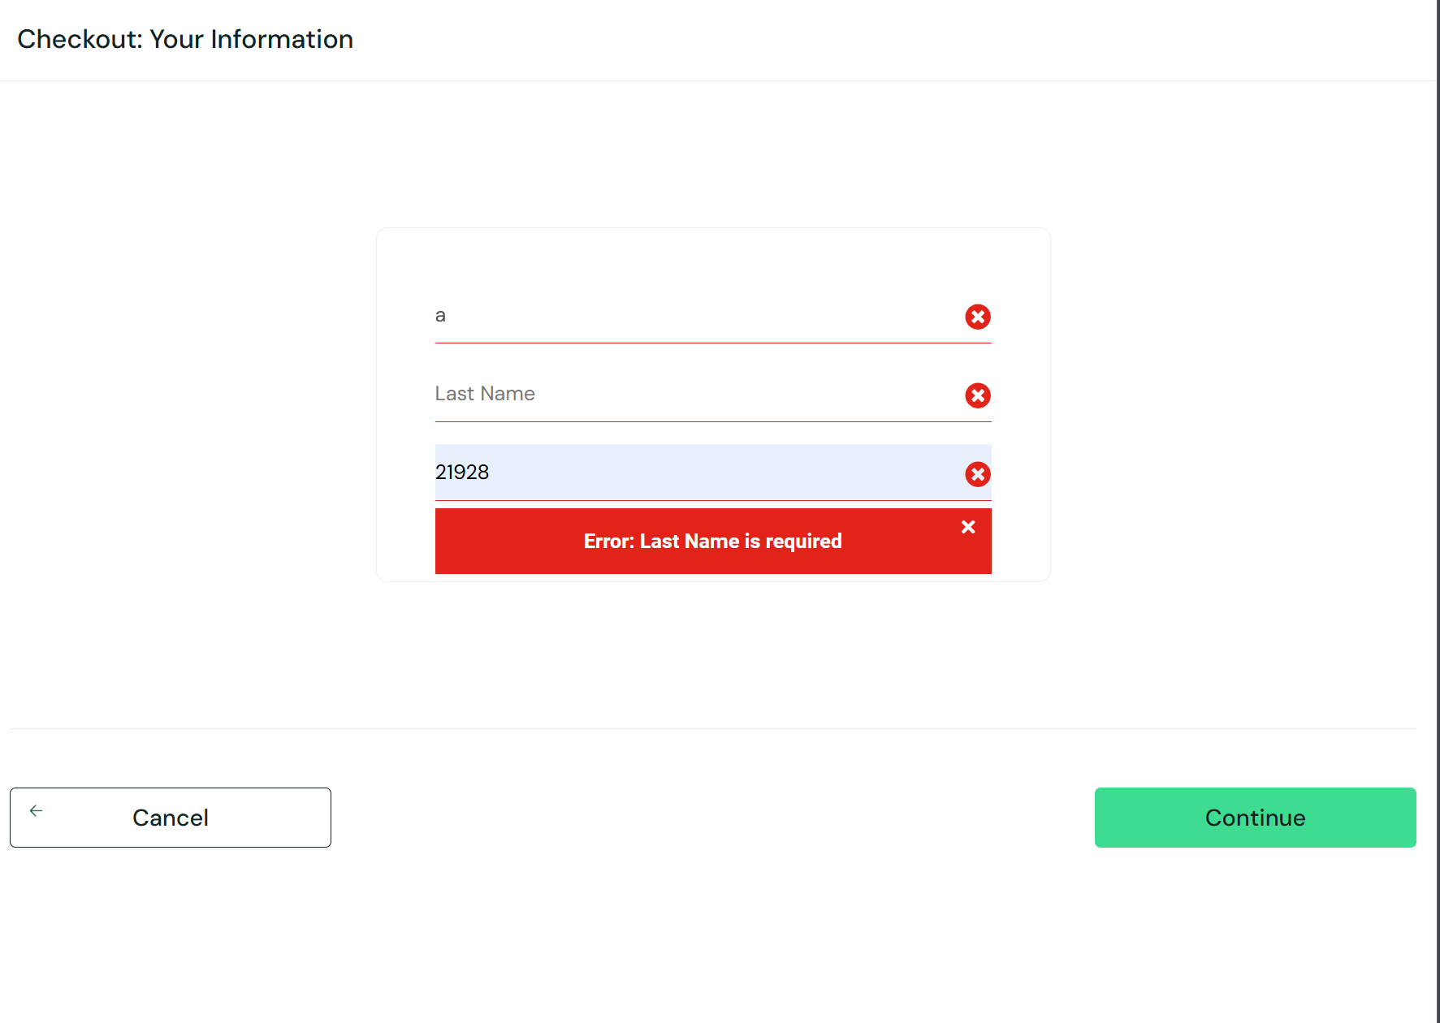 | abdelrahmanelfiqy@gmail.com
TC027 | The cart should have items available. | "user name :- standard_user password :- secret_sauce" | "Environment :- Production Browser :- google chrome URL :- https://www.saucedemo.com/" | 1. Log in to the user account. 2. Navigate to the cart page. 3. Check if at least one item is present in the cart. 4. If the cart is empty, go to the product listing page and add an item. 5. Return to the cart page and confirm the item is displayed. 6. Proceed to checkout and verify that the cart has products.. | Product details (name, price, and quantity) in the checkout overview page should match the information added to the cart. | Verify product details (name, price, and quantity) are displayed correctly | checkout (your information page) can't accsess to the next page because there is a failure in the form in second label "last name can't add info on it" | Faill | Checkout |  | abdelrahmanelfiqy@gmail.com
TC028 | Confirm that the cart contains products. | "user name :- standard_user password :- secret_sauce" | "Environment :- Production Browser :- google chrome URL :- https://www.saucedemo.com/" | 1. Log in to the user account . 2. Navigate to the cart page. 3. Check that all added products are visible in the cart. 4. Verify that the product details (name, price, quantity) match the selected items. 5. Ensure that the total price calculation includes all items. 6. Proceed to checkout and confirm that the same products appear in the order summary. | The total price should be displayed correctly as the sum of item prices and tax. | Verify the total price calculation | checkout (your information page) can't accsess to the next page because there is a failure in the form in second label "last name can't add info on it" | Faill | Checkout |  | abdelrahmanelfiqy@gmail.com
TC029 | Ensure payment details are valid and entered correctly. | "user name :- standard_user password :- secret_sauce" | "Environment :- Production Browser :- google chrome URL :- https://www.saucedemo.com/" | 1. Proceed to the checkout page from the cart. 2. Select a payment method 3. Enter valid payment details 4. Verify that the system accepts the details without errors. 5. Click "Proceed to Payment" and check for validation messages. 6. Ensure that the payment is processed or that an order confirmation page appears. | Payment information should reflect the entered details (e.g., SauceCard #31337) accurately on the checkout overview page. | Verify payment information is displayed correctly | checkout (your information page) can't accsess to the next page because there is a failure in the form in second label "last name can't add info on it" | Faill | Checkout |  | abdelrahmanelfiqy@gmail.com
TC030 | The correct shipping information must be provided. | "user name :- standard_user password :- secret_sauce" | "Environment :- Production Browser :- google chrome URL :- https://www.saucedemo.com/" | 1. Navigate to the checkout page. 2. Locate the shipping address form. 3. Enter a valid shipping address . 4. Ensure all required fields are filled out. 5. Click "Save Address" or "Proceed" and check for any error messages. 6. Verify that the system accepts the address and proceeds to the next step. | Shipping information should match the selected option (e.g., Free Pony Express Delivery) on the checkout overview page. | Verify shipping information is displayed correctly | checkout (your information page) can't accsess to the next page because there is a failure in the form in second label "last name can't add info on it" | Faill | Checkout |  | abdelrahmanelfiqy@gmail.com
TC031 | The test starts from the checkout overview screen. | "user name :- standard_user password :- secret_sauce" | "Environment :- Production Browser :- google chrome URL :- https://www.saucedemo.com/" | 1. Log in to the user account. 2. Add items to the cart and proceed to the checkout page. 3. Navigate to the Checkout Overview screen. 4. Verify that all order details are displayed, including: 5. Product names and quantities. 6. Prices and total cost. 7. Applied discounts . 8. Shipping and payment details. 9. Ensure there are no missing or incorrect details before proceeding. | The user should be redirected to the cart page, and the current order should not be placed when clicking the "Cancel" button. | Verify functionality of the "Cancel" button | checkout (your information page) can't accsess to the next page because there is a failure in the form in second label "last name can't add info on it" | Faill | Checkout |  | abdelrahmanelfiqy@gmail.com
TC032 | Ensure the user is reviewing the order before checkout. | "user name :- standard_user password :- secret_sauce" | "Environment :- Production Browser :- google chrome URL :- https://www.saucedemo.com/" | 1. Navigate to the Order Summary page before placing the order. 2. Verify that the following information is displayed correctly: 3. List of products. 4. Shipping address. 5. Selected payment method. 6. Total price (including taxes and shipping fees). 7. Ensure that users can edit the cart, address, or payment method if needed. 8. Confirm that users can proceed with the order only after reviewing the details. | The user should be redirected to the order confirmation page, and the order should be successfully placed when clicking the "Finish" button. | Verify functionality of the "Finish" button | checkout (your information page) can't accsess to the next page because there is a failure in the form in second label "last name can't add info on it" | Faill | Checkout |  | abdelrahmanelfiqy@gmail.com
TC033 | The page should be tested on a mobile environment. | "user name :- standard_user password :- secret_sauce" | "Environment :- Production Browser :- google chrome URL :- https://www.saucedemo.com/" | 1. Open the website on a mobile device or use a browser’s responsive mode. 2. Navigate to the cart and checkout pages. 3. Verify that all elements are responsive and visible without overlapping or distortion. 4. Test functionalities like: 5. Adding/removing items from the cart. 6. Entering payment and shipping details. 7. Reviewing and confirming the order. 8. Ensure that touch interactions, scrolling, and button clicks work properly. | The checkout overview page layout and elements should adjust appropriately for smaller screen sizes without alignment or usability issues. | Verify responsiveness of the overview page | checkout (your information page) can't accsess to the next page because there is a failure in the form in second label "last name can't add info on it" | Faill | Checkout |  | abdelrahmanelfiqy@gmail.com
TC034 | The cart should contain selected products. | "user name :- standard_user password :- secret_sauce" | "Environment :- Production Browser :- google chrome URL :- https://www.saucedemo.com/" | 1. Log in to the user account and add products to the cart. 2. Navigate away from the cart. 3. Return to the cart page and confirm that the previously added products are still there. 4. Verify that product details (name, price, quantity) match the selected items. 5. Ensure that users can proceed to checkout without items disappearing. | Item details, total price, and other order details should remain unchanged after refreshing the checkout overview page. | Verify consistency of item details after page refresh | checkout (your information page) can't accsess to the next page because there is a failure in the form in second label "last name can't add info on it" | Faill | Checkout |  | abdelrahmanelfiqy@gmail.com
TC035 | Ensure that currency conversion or pricing is correct. | "user name :- standard_user password :- secret_sauce" | "Environment :- Production Browser :- google chrome URL :- https://www.saucedemo.com/" | 1. Navigate to the website's currency settings. 2. Select a different currency. 3. Ensure that all product prices update according to the selected currency. 4. Compare the converted price with an external exchange rate to check accuracy. 5. Proceed to checkout and verify that the total cost reflects the correct currency. 6. Ensure that payment is processed in the selected currency. | All monetary values (prices and totals) should be displayed consistently in the same currency format (e.g., USD). | Verify currency consistency | checkout (your information page) can't accsess to the next page because there is a failure in the form in second label "last name can't add info on it" | Faill | Checkout |  | abdelrahmanelfiqy@gmail.com
TC036 | The order must be canceled, and the user should return to the cart page. | "user name :- standard_user password :- secret_sauce" | "Environment :- Production Browser :- google chrome URL :- https://www.saucedemo.com/" | 1. Proceed to the Order Summary or Checkout page. 2. Locate the "Cancel Order" button or option. 3. Click "Cancel Order" and confirm the cancellation. 4. Ensure that the user is redirected back to the Cart Page. 5. Verify that the canceled items are still available in the cart for reordering. 6. Check for any confirmation message. | The cart page should still display all previously added items with correct details after canceling the checkout process. | Verify that "Cancel" retains cart details | checkout (your information page) can't accsess to the next page because there is a failure in the form in second label "last name can't add info on it" | Faill | Checkout |  | abdelrahmanelfiqy@gmail.com

